Queries
Data summary

Results |  |  |  |  |  | Queries

Rental

Min rental duration: 3 Max rental duration: 7 Avg rental duration: 4.99 Min rental rate: 0.99 Max rental rate: 4.99 Avg rental rate: 2.98 Min replacement cost: 9.99 Max replacement cost: 29.99 Avg replacement cost: 19.98 |  |  |  |  |  | SELECT MIN(rental_duration) AS min_rental_duration, MAX(rental_duration) AS max_rental_duration, AVG(rental_duration) AS avg_rental_duration, MIN(rental_rate) AS min_rental_rate, MAX(rental_rate) AS max_rental_rate, AVG(rental_rate) AS avg_rental_rate, MIN(replacement_cost) AS min_replacement_cost, MAX(replacement_cost) AS max_replacement_cost, AVG(replacement_cost) AS avg_replacement_cost, COUNT(*) AS count_rows FROM film;

Number of rentals: 14596 Total revenue: 61312.04 Avg revenue per rental: 4.2 |  |  |  |  |  | SELECT COUNT(A.rental_id) AS total_rentals, SUM(B.amount) AS total_revenue, SUM(B.amount)/COUNT(A.rental_id) AS avg_revenue_per_rental FROM rental A INNER JOIN payment B ON A.rental_id = B.rental_id

Film

R: 195 NC-17: 210 G: 178 PG: 194 PG-13: 223 |  |  |  |  |  | SELECT rating, COUNT(film_id) as number_of_films FROM film GROUP by rating

Number of categories: 20 |  |  |  |  |  | SELECT COUNT(*) number_of_categories FROM category

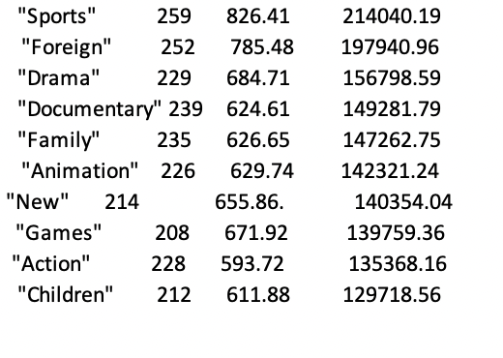 |  |  |  |  |  | WITH CategoryRevenue AS ( SELECT fc.category_id, c.name AS category_name, COUNT(*) AS num_rentals, SUM(f.rental_rate) AS total_rental_rate FROM Film_category fc JOIN Film f ON fc.film_id = f.film_id JOIN Rental r ON f.film_id = r.inventory_id JOIN Category c ON fc.category_id = c.category_id GROUP BY fc.category_id, c.name ) SELECT category_id, category_name, num_rentals, total_rental_rate, total_rental_rate * num_rentals AS total_revenue FROM CategoryRevenue ORDER BY total_revenue DESC LIMIT 10;

Countries
Country | Number of rentals | Number of customers | Number of films | Revenue
India | 1421 | 60 | 1421 | 6032.79 |  | SELECT c4.country_id, c4.country, COUNT(r.rental_id) as number_of_rentals, COUNT(DISTINCT c.customer_id) as number_of_customers, COUNT(iv.film_id) as number_of_films, SUM(p.amount) as total_revenue FROM rental r INNER JOIN customer c on r.customer_id = c.customer_id INNER JOIN address a ON a.address_id = c.address_id INNER JOIN city c3 on c3.city_id = a.city_id INNER JOIN country c4 on c4.country_id = c3.country_id INNER JOIN inventory iv ON iv.inventory_id = r.inventory_id INNER JOIN payment p on r.rental_id = p.rental_id GROUP BY c4.country_id, c4.country ORDER BY total_revenue DESC LIMIT 10;
China | 1296 | 53 | 1296 | 5247.04
United States | 873 | 36 | 873 | 3694.27
Japan | 748 | 31 | 748 | 3121.52
Mexico | 718 | 30 | 718 | 2984.82
Brazil | 681 | 28 | 681 | 2919.19
Russian Federation | 638 | 28 | 638 | 2765.62
Philippines | 530 | 20 | 530 | 2219.70
Turkey | 351 | 15 | 351 | 1498.49
Indonesia | 331 | 14 | 331 | 1352.69

Customers and payments

Customers: 599 |  |  |  |  | SELECT COUNT (DISTINCT customer_id) customer_count FROM customer

Payment count: 14596 customer count: 599 payment per customer: 24 Avg amount paid: 4.20 Min amount paid: 0 Max amount paid: 11.99 |  |  |  |  | SELECT COUNT(DISTINCT payment_id) payment_count, COUNT(DISTINCT customer_id) customer_count, COUNT(DISTINCT payment_id)/COUNT(DISTINCT customer_id) payment_per_customer, AVG(amount) avg_amount_paid, MIN(amount) min_amount_paid, MAX(amount) max_amount_paid FROM payment

